Data
UBOT 0840 JU-1199 WED2 2026-03-04

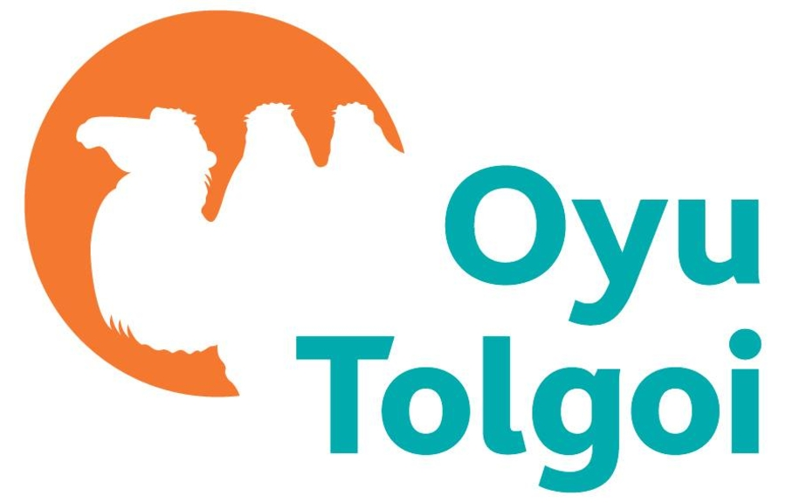
 | Departure Date | 04/03/2026
 | Transport Number | JU-1199 WED2
 | Number Of Passengers | 135
 | Wait List Passenger | 0
 | Direction | IN
 | ETD Of Transport | 0840
 | Report Executed : | 2026-03-03 10:40:52 AM
 | Result Count : | 5

By signing below, I hold the airline responsible for my safety not OT LLC:
No | Passenger Name | Company | Department | Position | Cost Center | Signatures | C No | Pick-up Address | Profile SAP | Profile Personal Mobile
1 | Mr. Adiyatumur Purevsuren | DAYAN CONTRACT MINING LLC | UG Mine Development | Miner | 49022421-UG Development Manag |  |  |  | 1002312 | +97699982115
2 | Mr. Aibyek Saldatkhan | DAYAN CONTRACT MINING LLC | DFC | Construction Supervisor | P-0005555.04.80.20.80.50-OTUG CSS |  |  |  | 9205464 | +97699956561
3 | Mr. Altai Purevjav | DAYAN CONTRACT MINING LLC | UG Mine Development | Mobile Eq Theory Trainer | 49022404-UDS Project |  |  |  | 8961530 | +97689973993
4 | Mr. Amar Jargal | DAYAN CONTRACT MINING LLC | UG Mine Development | Project engineer | 49022404-UDS Project |  |  |  | 9557862 | +97695058380
5 | Mr. Amarmend Gungaa | DAYAN CONTRACT MINING LLC | DFC | Telehandler Operator | 49022404-UDS Project |  |  |  | 9519833 | +97688363653

